Sheet1
ITEM# | DESCRIPTION | COLOR | SIZE | BOXES | PACK | TOTAL: |  | WAS | NOW
GA6_4394 32 | JOGGER | BLACK/CHARCOAL | 1X 2X 3X | 49 | 48 | 1,872 | 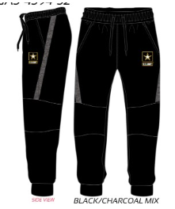 | $22.00 | $7.00

GA6_5080 62 | LONG SLEEVE SHIRT W BEANIE |  | 1X 2X 3X | 33 | 48 | 1,440 | 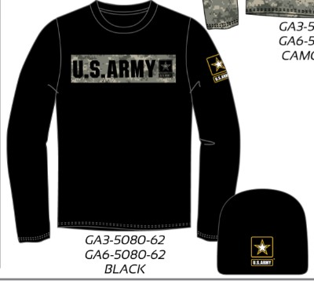 | $18.00 | $6.00

GA6 5164 08 | LONG SLEEVE SHIRT | BLACK COMBO | 1X 2X 3X | 17 | 48 | 672 | 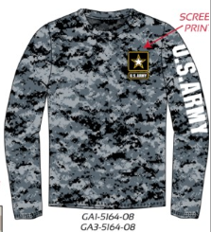 | $18.00 | $6.00

GA6 5164 62 | LONG SLEEVE SHIRT W BEANIE | CAMO/BLACK | 1X 2X 3X | 30 | 48 | 1,296 | 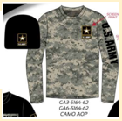 | $24.00 | $8.00

GA6 5918 80 | HOODED SWEATSHIRT | BEIGE KHAKI | 1X 2X 3X | 16 | 48 | 624 | 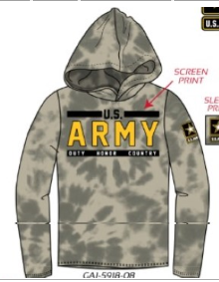 | $24.00 | $8.00

GA6 5941 08 | LONG SLEEVE SHIRT | DESERT CAMO | 1X 2X 3X | 70 | 48 | 3,216 | 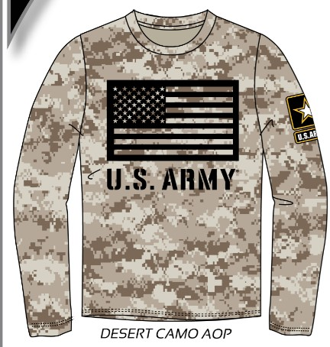 | $18.00 | $6.00

GA6 6029 80 | LONG SLEEVE HOODED SHIRT | BLK TIE DYE | 1X 2X 3X | 18 | 48 | 720 | 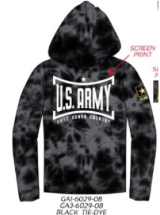 | $18.00 | $6.00

GA6 6046 08 | LONG SLEEVE SHIRT | BEIGE | 1X 2X 3X | 85 | 48 | 3,936 | 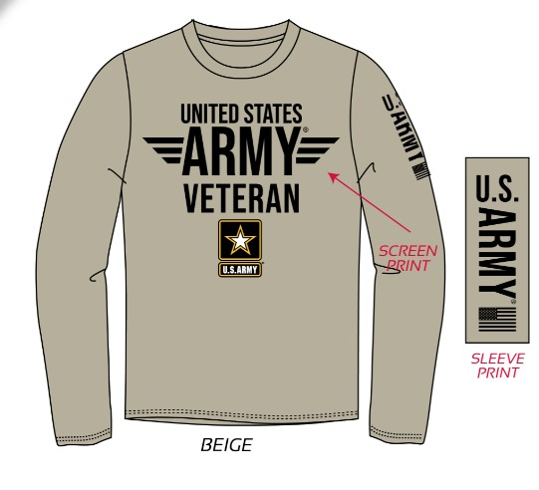 | $18.00 | $6.00

GA6 6050 80 | LONG SLEEVE HOODED SHIRT | BEIGE | 1X 2X 3X | 19 | 48 | 768 | 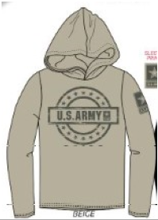 | $18.00 | $6.00

GA6 6088 80 | LONG SLEEVE HOODED SHIRT | BLACK | 1X 2X 3X | 111 | 48 | 5,184 | 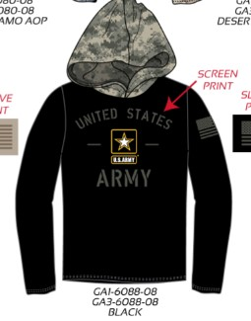 | $18.00 | $6.00

GA6 6155 08 | LONG SLEEVE SHIRT | BLACK | 1X 2X 3X | 44 | 48 | 1,968 |  | $14.00 | $5.00

GA6 6168 08 | LONG SLEEVE SHIRT | BLACK/CAMO | 1X 2X 3X | 27 | 48 | 1,152 | 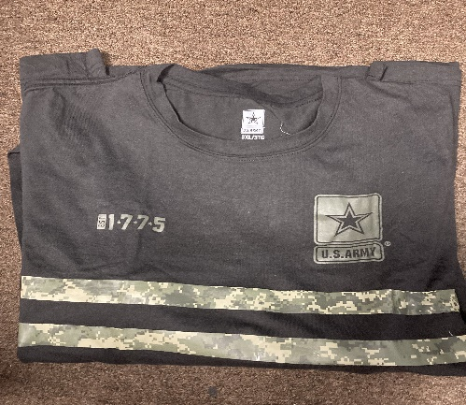 | $12.00 | $5.00

GA6 6175 80 | LONG SLEEVE HOODED SHIRT | BEIGE/KHAKI | 1X 2X 3X | 18 | 48 | 720 | 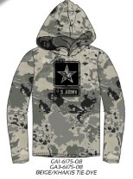 | $18.00 | $6.00

GA6 6176 80 | LONG SLEEVE HOODED SHIRT | BLACK/CAMO | 1X 2X 3X | 74 | 48 | 3,408 | 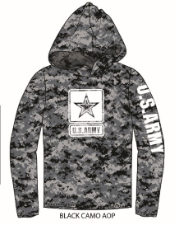 | $18.00 | $6.00

GA6 8030 32 | JOGGER | BEIGE | 1X 2X 3X | 52 | 24 | 1,008 | 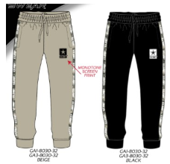 | $18.00 | $6.00

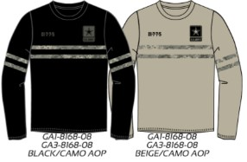
GA6 8168 08 | LONG SLEEVE SHIRT | BEIGE/CAMO | 1X 2X 3X | 37 | 48 | 1,632 |  | $14.00 | $5.00

GA6 8168 08 | LONG SLEEVE SHIRT | BLACK/CAMO | 1X 2X 3X | 78 | 48 | 3,600 |  | $14.00 | $5.00
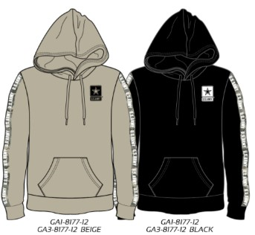
GA6 8177 80 | LONG SLEEVE HOODED SHIRT | BLACK | 1X 2X 3X | 66 | 48 | 3,024 |  | $18.00 | $6.00

GA6 8177 80 | LONG SLEEVE HOODED SHIRT | BEIGE | 1X 2X 3X | 55 | 48 | 2,496

GA6 8180 08 | LONG SLEEVE SHIRT | BLACK | 1X 2X 3X | 30 | 48 | 1,296 |  | $18.00 | $5.00
GA6 8180 08 | LONG SLEEVE SHIRT | CHARCOAL | 1X 2X 3X | 26 | 48 | 1,104 | 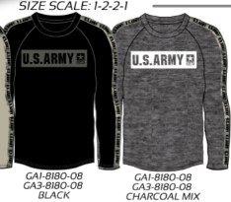
 |  |  |  |  | TOTAL: | 41,136

